Solar Power Europe
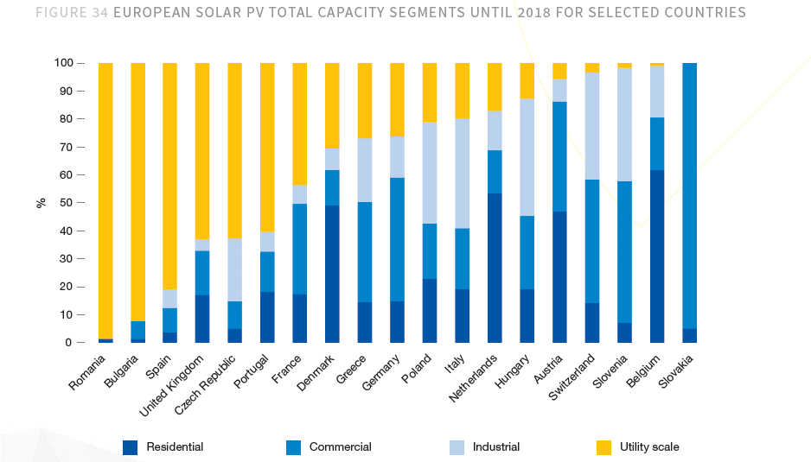

The following data has been copied from variable file bldgs/BDEQ:

 | Net Capacity of PV Solar Installed (MW) |  |  |  |  |  |  |  |  |  |  |  |  |  |  |  |  |  |  | Start Year
 | 2000 | 2001 | 2002 | 2003 | 2004 | 2005 | 2006 | 2007 | 2008 | 2009 | 2010 | 2011 | 2012 | 2013 | 2014 | 2015 | 2016 | 2017 | 2018 | 2019 | 2020 | 2021 | 2022 | 2023 | 2024 | 2025 | 2026 | 2027 | 2028 | 2029 | 2030 | 2031 | 2032 | 2033 | 2034 | 2035 | 2036 | 2037 | 2038 | 2039 | 2040 | 2041 | 2042 | 2043 | 2044 | 2045 | 2046 | 2047 | 2048 | 2049 | 2050
 | 177.451 | 275.116 | 358.056 | 593.056 | 1300.65 | 2286.15 | 3266.30117 | 5236.46237 | 10399.70857 | 16804.71957 | 29895.25071 | 51547.42803 | 68902.66999 | 77248.46904 | 81076.99851 | 85145.3555 | 89285.294343 | 94785.357573 | 102864.4408 | 116850.43003 | 137560.57426 | 140593.10276 | 143429.45036 | 148846.90636 | 155683.46136 | 161065.74426 | 165802.11126 | 170787.99626 | 177131.50226 | 184939.07576 | 192704.80576 | 199713.24909 | 206591.25989 | 213746.31669 | 222397.26969 | 231853.29105 | 245195.65173 | 258056.98677 | 270709.77571 | 281582.91625 | 292204.77426 | 300525.91992 | 309965.67869 | 317410.72346 | 323753.58523 | 333866.1385 | 342170.32 | 351357.5435 | 358750.209 | 366043.4145 | 375322.1395

Residential | 33.71569 | 52.27204 | 68.03064 | 112.68064 | 247.1235 | 434.3685 | 620.5972223 | 994.9278503 | 1975.9446283 | 3192.8967183 | 5680.0976349 | 9794.0113257 | 13091.507298 | 14677.209118 | 15404.629717 | 16177.617545 | 16964.205925 | 18009.217939 | 19544.243753 | 22201.581706 | 26136.50911 | 26712.689525 | 27251.595569 | 28280.912209 | 29579.857659 | 30602.49141 | 31502.40114 | 32449.71929 | 33654.98543 | 35138.424395 | 36613.913095 | 37945.517328 | 39252.33938 | 40611.800172 | 42255.481242 | 44052.1253 | 46587.173829 | 49030.827487 | 51434.857385 | 53500.754088 | 55518.90711 | 57099.924785 | 58893.478951 | 60308.037457 | 61513.181194 | 63434.566315 | 65012.3608 | 66757.933265 | 68162.53971 | 69548.248755 | 71311.206505
Urban Residential | 23.600983 | 36.590428 | 47.621448 | 78.876448 | 172.98645 | 304.05795 | 434.41805561 | 696.44949521 | 1383.1612398 | 2235.0277028 | 3976.0683444 | 6855.807928 | 9164.0551087 | 10274.046382 | 10783.240802 | 11324.332281 | 11874.944148 | 12606.452557 | 13680.970627 | 15541.107194 | 18295.556377 | 18698.882667 | 19076.116898 | 19796.638546 | 20705.900361 | 21421.743987 | 22051.680798 | 22714.803503 | 23558.489801 | 24596.897076 | 25629.739166 | 26561.862129 | 27476.637566 | 28428.26012 | 29578.836869 | 30836.48771 | 32611.02168 | 34321.579241 | 36004.40017 | 37450.527862 | 38863.234977 | 39969.947349 | 41225.435266 | 42215.62622 | 43059.226836 | 44404.196421 | 45508.65256 | 46730.553286 | 47713.777797 | 48683.774129 | 49917.844554
Rural Residential | 10.114707 | 15.681612 | 20.409192 | 33.804192 | 74.13705 | 130.31055 | 186.17916669 | 298.47835509 | 592.78338849 | 957.86901549 | 1704.0292905 | 2938.2033977 | 3927.4521894 | 4403.1627353 | 4621.3889151 | 4853.2852635 | 5089.2617776 | 5402.7653817 | 5863.2731258 | 6660.4745119 | 7840.952733 | 8013.8068575 | 8175.4786707 | 8484.2736627 | 8873.9572977 | 9180.747423 | 9450.720342 | 9734.915787 | 10096.495629 | 10541.527318 | 10984.173928 | 11383.655198 | 11775.701814 | 12183.540052 | 12676.644373 | 13215.63759 | 13976.152149 | 14709.248246 | 15430.457216 | 16050.226226 | 16655.672133 | 17129.977435 | 17668.043685 | 18092.411237 | 18453.954358 | 19030.369895 | 19503.70824 | 20027.37998 | 20448.761913 | 20864.474627 | 21393.361952
Commercial | 53.2353 | 82.5348 | 107.4168 | 177.9168 | 390.195 | 685.845 | 979.890351 | 1570.938711 | 3119.912571 | 5041.415871 | 8968.575213 | 15464.228409 | 20670.800997 | 23174.540712 | 24323.099553 | 25543.60665 | 26785.588303 | 28435.607272 | 30859.332241 | 35055.12901 | 41268.172279 | 42177.930829 | 43028.835109 | 44654.071909 | 46705.038409 | 48319.723279 | 49740.633379 | 51236.398879 | 53139.450679 | 55481.722729 | 57811.441729 | 59913.974728 | 61977.377968 | 64123.895008 | 66719.180908 | 69555.987316 | 73558.69552 | 77417.096032 | 81212.932714 | 84474.874876 | 87661.432279 | 90157.775976 | 92989.703607 | 95223.217038 | 97126.075569 | 100159.84155 | 102651.096 | 105407.26305 | 107625.0627 | 109813.02435 | 112596.64185
Industrial | 30.16667 | 46.76972 | 60.86952 | 100.81952 | 221.1105 | 388.6455 | 555.2711989 | 890.1986029 | 1767.9504569 | 2856.8023269 | 5082.1926207 | 8763.0627651 | 11713.453898 | 13132.239737 | 13783.089747 | 14474.710435 | 15178.500038 | 16113.510787 | 17486.954937 | 19864.573106 | 23385.297625 | 23900.82747 | 24383.006562 | 25303.974082 | 26466.188432 | 27381.176525 | 28186.358915 | 29033.959365 | 30112.355385 | 31439.64288 | 32759.81698 | 33951.252346 | 35120.514182 | 36336.873838 | 37807.535848 | 39415.059479 | 41683.260795 | 43869.687751 | 46020.661871 | 47869.095763 | 49674.811625 | 51089.406386 | 52694.165377 | 53959.822988 | 55038.109489 | 56757.243545 | 58168.9544 | 59730.782395 | 60987.53553 | 62227.380465 | 63804.763715
Utility | 60.33334 | 93.53944 | 121.73904 | 201.63904 | 442.221 | 777.291 | 1110.5423978 | 1780.3972058 | 3535.9009138 | 5713.6046538 | 10164.385241 | 17526.12553 | 23426.907797 | 26264.479474 | 27566.179493 | 28949.42087 | 30357.000077 | 32227.021575 | 34973.909873 | 39729.146211 | 46770.595249 | 47801.654939 | 48766.013123 | 50607.948163 | 52932.376863 | 54762.353049 | 56372.717829 | 58067.918729 | 60224.710769 | 62879.285759 | 65519.633959 | 67902.504692 | 70241.028364 | 72673.747676 | 75615.071696 | 78830.118958 | 83366.521589 | 87739.375503 | 92041.323742 | 95738.191526 | 99349.623249 | 102178.81277 | 105388.33075 | 107919.64598 | 110076.21898 | 113514.48709 | 116337.9088 | 119461.56479 | 121975.07106 | 124454.76093 | 127609.52743
TOTAL | 177.451 | 275.116 | 358.056 | 593.056 | 1300.65 | 2286.15 | 3266.30117 | 5236.46237 | 10399.70857 | 16804.71957 | 29895.25071 | 51547.42803 | 68902.66999 | 77248.46904 | 81076.99851 | 85145.3555 | 89285.294343 | 94785.357573 | 102864.4408 | 116850.43003 | 137560.57426 | 140593.10276 | 143429.45036 | 148846.90636 | 155683.46136 | 161065.74426 | 165802.11126 | 170787.99626 | 177131.50226 | 184939.07576 | 192704.80576 | 199713.24909 | 206591.25989 | 213746.31669 | 222397.26969 | 231853.29105 | 245195.65173 | 258056.98677 | 270709.77571 | 281582.91625 | 292204.77426 | 300525.91992 | 309965.67869 | 317410.72346 | 323753.58523 | 333866.1385 | 342170.32 | 351357.5435 | 358750.209 | 366043.4145 | 375322.1395

 | residential rooftops | 19% |  | Urban/Rural Split
 | commercial roofs | 30% |  | 70.0% | Urban
 | industrial | 17% |  | 30.0% | Rural
 | utility market | 34%
 |  | 100%

